TIFF AV effect
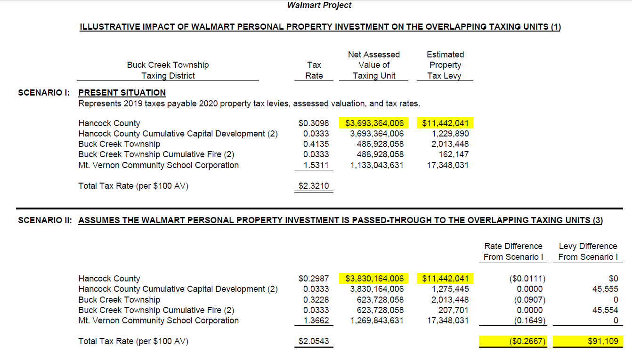
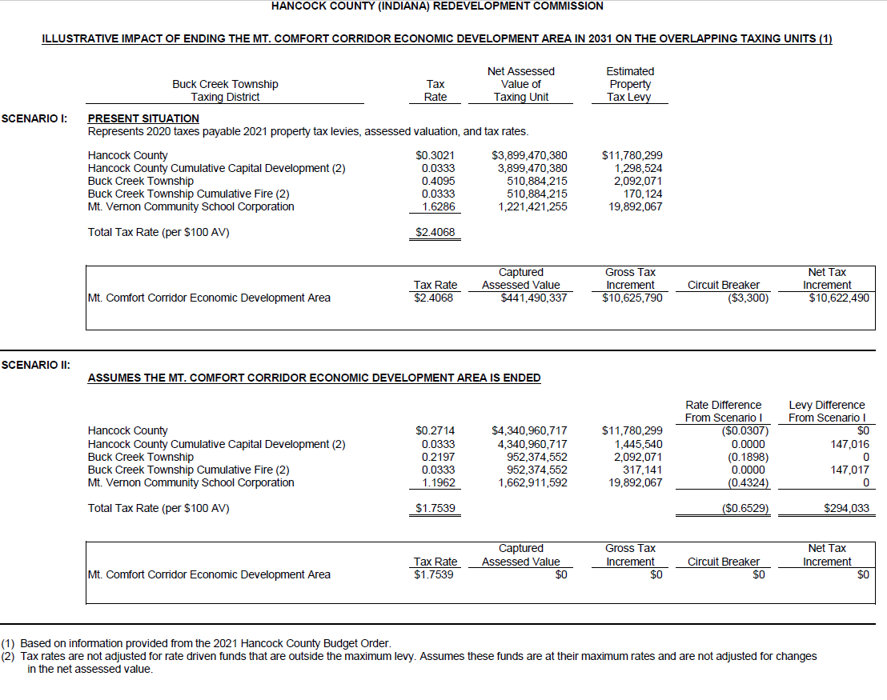
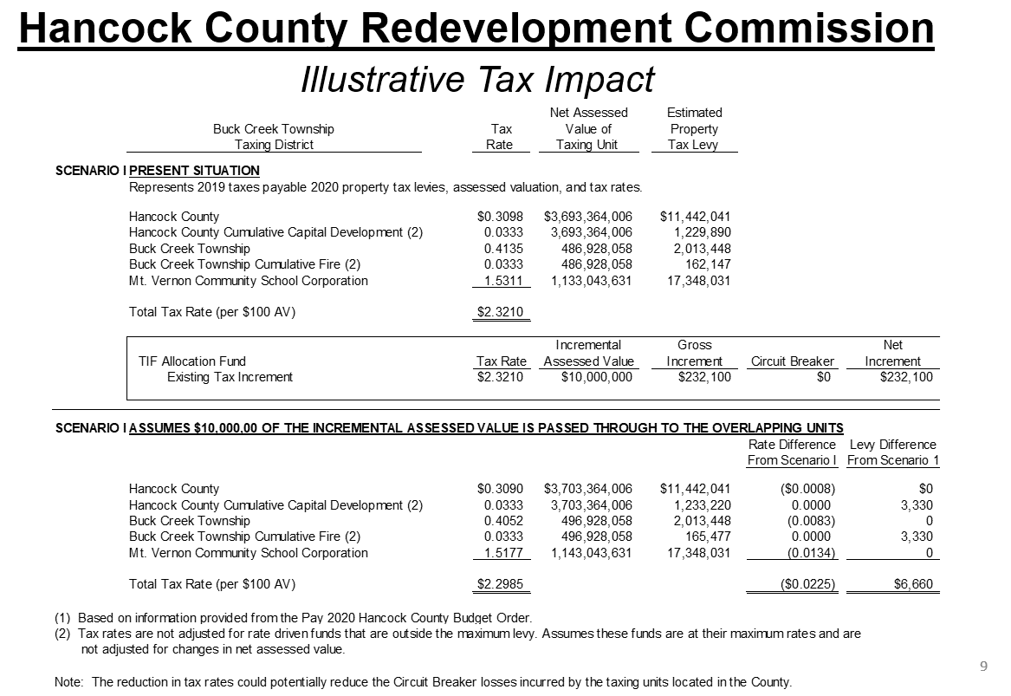
Taking into account increase in annual maximum levy growth, trends in annual assessed values and after Walmart’s 10-year personal property tax abatement, the County’s Circuit breaker losses in 2033 would decrease from $594,500 to 472,900. Buck Creek Township would decrease from 223,000 to 163,600 and Mt. Vernon Community School Corporation would decrease from $1,343,800 to 931,100.

The second schedule shows the impact of Mt. Comfort Area 1 TIF Area ending in 2031 once the bonds are paid off. We are estimating there will be $441,490,337 of assessed value being captured in 2031 generating $10.6 million in TIF based on 2021 tax rates.

If the area ends, the schedule shows that the assessed value is added to the tax base and the tax rate decreases by $0.65. The County and township each receives an additional $147,000. The circuit breaker losses would also be reduced but we have not calculated that as of yet. However it is important to remember the County loses $10.6 million in TIF.

